Sheet1
Bug Report

Project Name | Lightnig Proxies
Assign to | Developer
Tested By | Shivendra Singh
Reviewed By | Self-Reviewed

Start Date | 01/04/2025
End Date
Browser/Os | Window10/Edge/Version 134.0.3124.51
Assigned To | Shivendra Singh
Proiority | High, Medium, Low
Status | Open

Test Scenario ID | Test Case ID | Test Case Description | Test Steps | Test Data | Priority | Severity | Browser / Version | Expected Result | Actual Result | Status | Screenshot | Comment
TS-01 | TC_03 | Check if appropriate error messages appear for incorrect inputs | 1. Navigate to Create Account page 2. Enter invalid email format 3. Click on Create Account | Email- shivendrasingh6945@gmail.co | High | High | Edge / Version 134.0.3124.51 | Error message should be displayed | Error message should not be displayed | 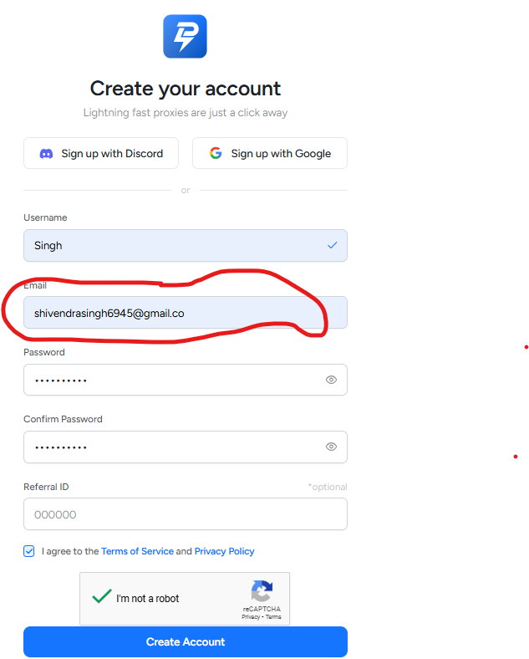 Fail |  | user should able to login by filling incomplete email format
TS-03 | TC_19 | Ensure session expires after inactivity | 1. Log in to the dashboard 2. Stay inactive for a set time 3. Try performing an action | 2 Hours | High | High | Edge / Version 134.0.3124.52 | The user should be logged out after session timeout | The user should be not logged out after session timeout | 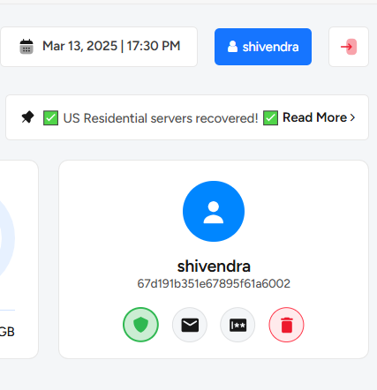 Fail |  | It impact on Website security
TS-04 | TC_03 | Ensure that letters and special characters are not allowed | 1. Enter alphabets or special characters 2. Check validation message | abc, @#!$ | High | High | Edge / Version 134.0.3124.53 | System should prevent input and display a validation message | System should not prevent input and not displayed a validation message | 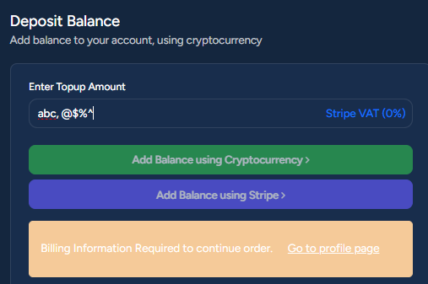 Fail |  | Need to fix
 | TC_06 | Ensure clicking on the link redirects to terms page | 1. Click "Terms & Conditions" 2. Verify redirection | NA | Medium | Medium | Edge / Version 134.0.3124.54 | User should be redirected to the Terms page | Terms and conditions link is not functional | 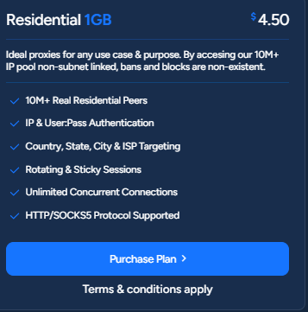 Fail |  | Need to make it functional
TS-07 | TC_13 | Ensure users can access elements using Tab key | 1. Use Tab to navigate through the page | NA | Medium | Medium | Edge / Version 134.0.3124.55 | All interactive elements should be accessible | All interactive elements should not be accessible | 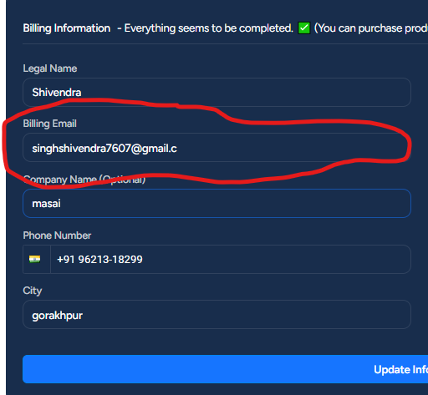 Fail |  | need to fix keyboard navigation not works
TS-10 | TC_07 | Ensure readability of text and contrast | 1. Observe text size and contrast 2. Check readability and word responsiveness on different devices | NA | Low | Low | Edge / Version 134.0.3124.55 | Text responsiveness should be clear and readable | Text should be clear and readable but it is not responsive | 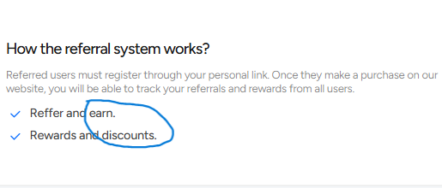 Fail |  | Need to fix- (earn and discount) use capital letter for starting words
TS-11 | TC_08 | FAQ questions should be accessible using the keyboard | 1. Use Tab key to navigate 2. Use Enter key to expand/collapse FAQ | NA | Medium | Medium | Edge / Version 134.0.3124.56 | Keyboard navigation should work without issues | Keyboard navigation should not work | 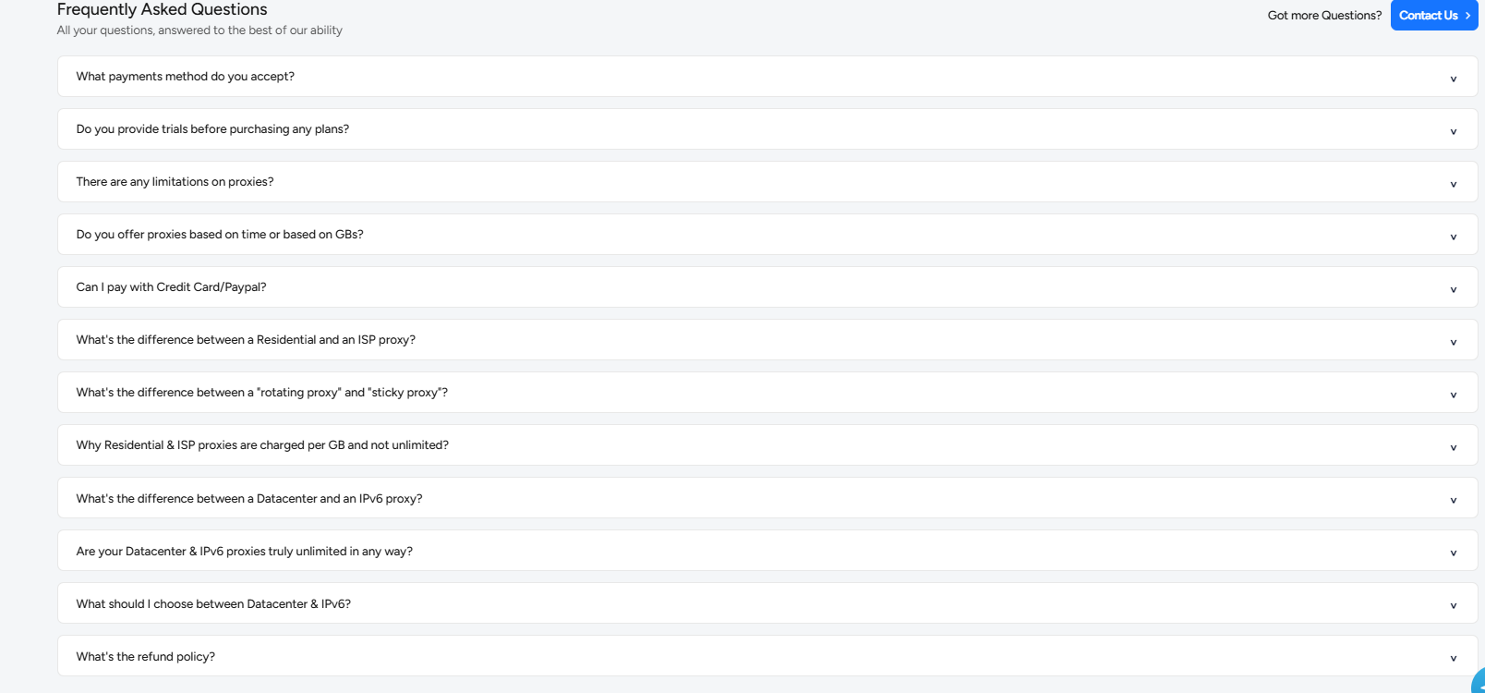 Fail |  | Not works
TS-12 | TC_01 | Verify API Settings Button | 1. Navigate to the API Guide section 2. Click on API Setting Button | NA | High | Medium | Edge / Version 134.0.3124.57 | Redirects to API settings page | "API Setting" button is not functional | Fail | 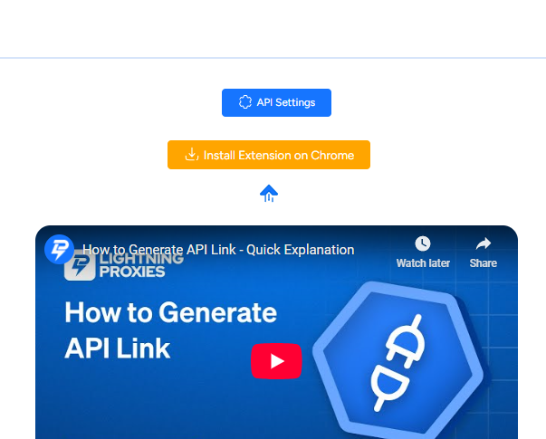 | Make it functional
 | TC_08 | Check Keyboard Navigation | 1. Navigate to the API Guide section 2. Use Tab key for navigation | Tab Button | High | High | Edge / Version 134.0.3124.58 | All elements are reachable via keyboard | elements are not reachable via keyboard | Fail |  | Need to make it reachable via keyboard
 | TC_18 | Check API Settings Button on Mobile | 1. Navigate to the API Guide section 2. Click API Settings button on mobile | NA | High | Medium | Edge / Version 134.0.3124.59 | Redirects to API settings page | Button is not functional | Fail |  | Need to make it functional
TS-14 | TC_08 | Verify Section should be accessible using the keyboard | 1. Use the Tab key to navigate 2. Press Enter to open links | NA | Medium | Medium | Edge / Version 134.0.3124.57 | Keyboard navigation should work properly | Keyboard navigation should work properly | Fail |  | need to fix keyboard navigation not works
TS-15 | TC_01 | Ensure correct user details (username, email, etc.) are displayed | 1. Navigate to Account Settings page 2. Verify displayed information | Username- shivendra, Email- shivendramasai2024@gmail.com Joined- Mar 25, 10:00 UTC | Medium | Medium | Edge / Version 134.0.3124.58 | User details should match the database | details are matched but Joined date not matched | 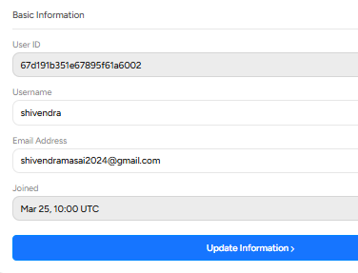 Fail |  | Joined date not matched
 | TC_07 | Validate error message when entering incorrect email format |  | 1. Enter invalid email 2. Click "Update Information" | High | Medium | Edge / Version 134.0.3124.59 | Proper validation message should be displayed | Proper validation message should not be displayed | Fail |  | when write only .com it is not showing error message
 | TC_16 | Ensure session expires after a set time of inactivity | 1. Log in 2. Stay inactive for a period 3. Try updating details | 2 h | Low | Medium | Edge / Version 134.0.3124.59 | User should be logged out after timeout | User should not be logged out after timeout | Fail |  | User should not be logged out after timeout
 | TC_19 | Ensure form submits within an acceptable time limit | 1. Fill form 2. Click "Update Information" 3. Measure time taken | Form data | High | High | Edge / Version 134.0.3124.60 | Submission should be processed within 2-3 seconds | Submission is not functional | 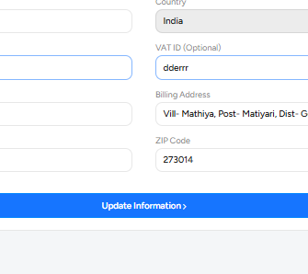 Fail |  | need to fix

